P&G Lenor Mixed Display
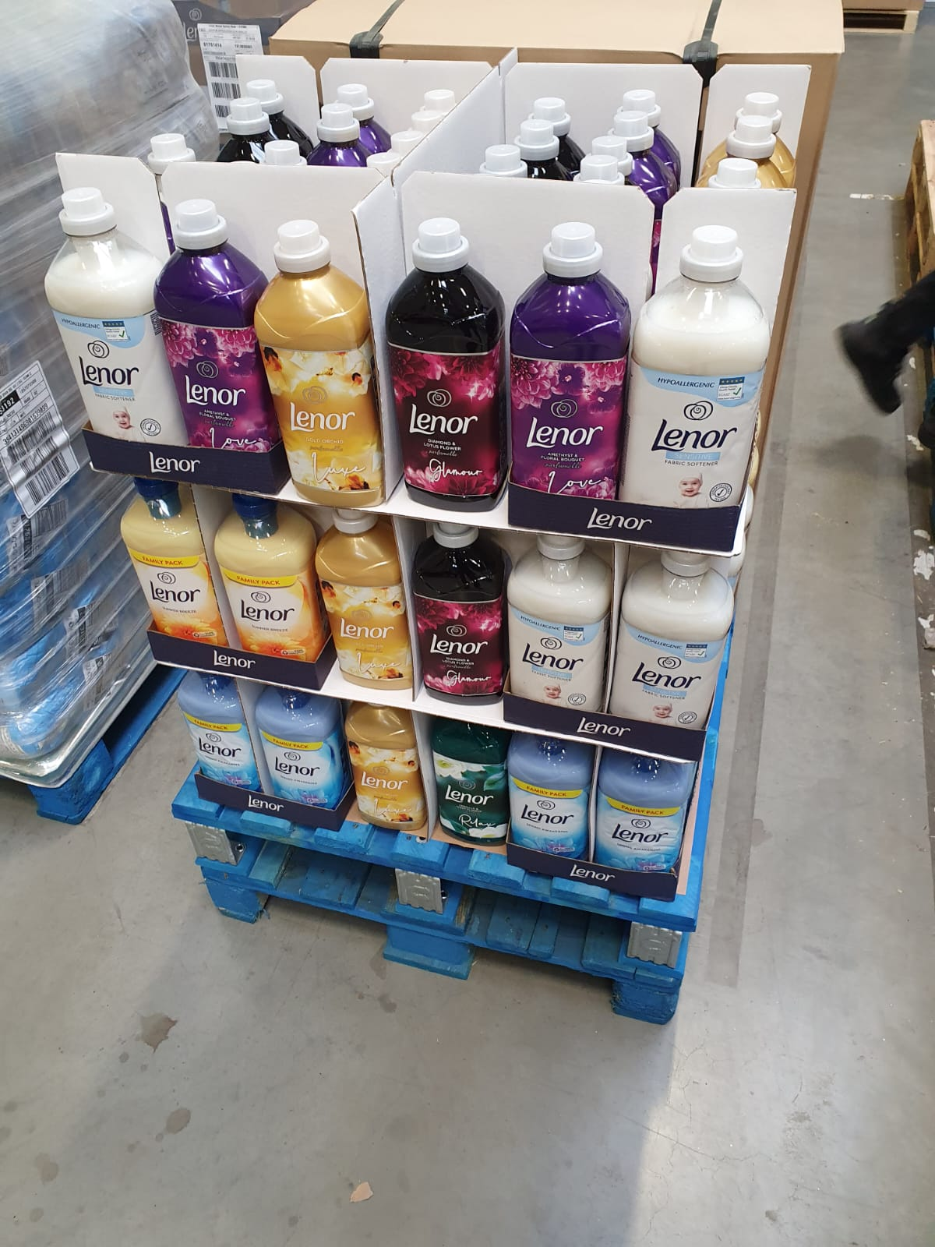
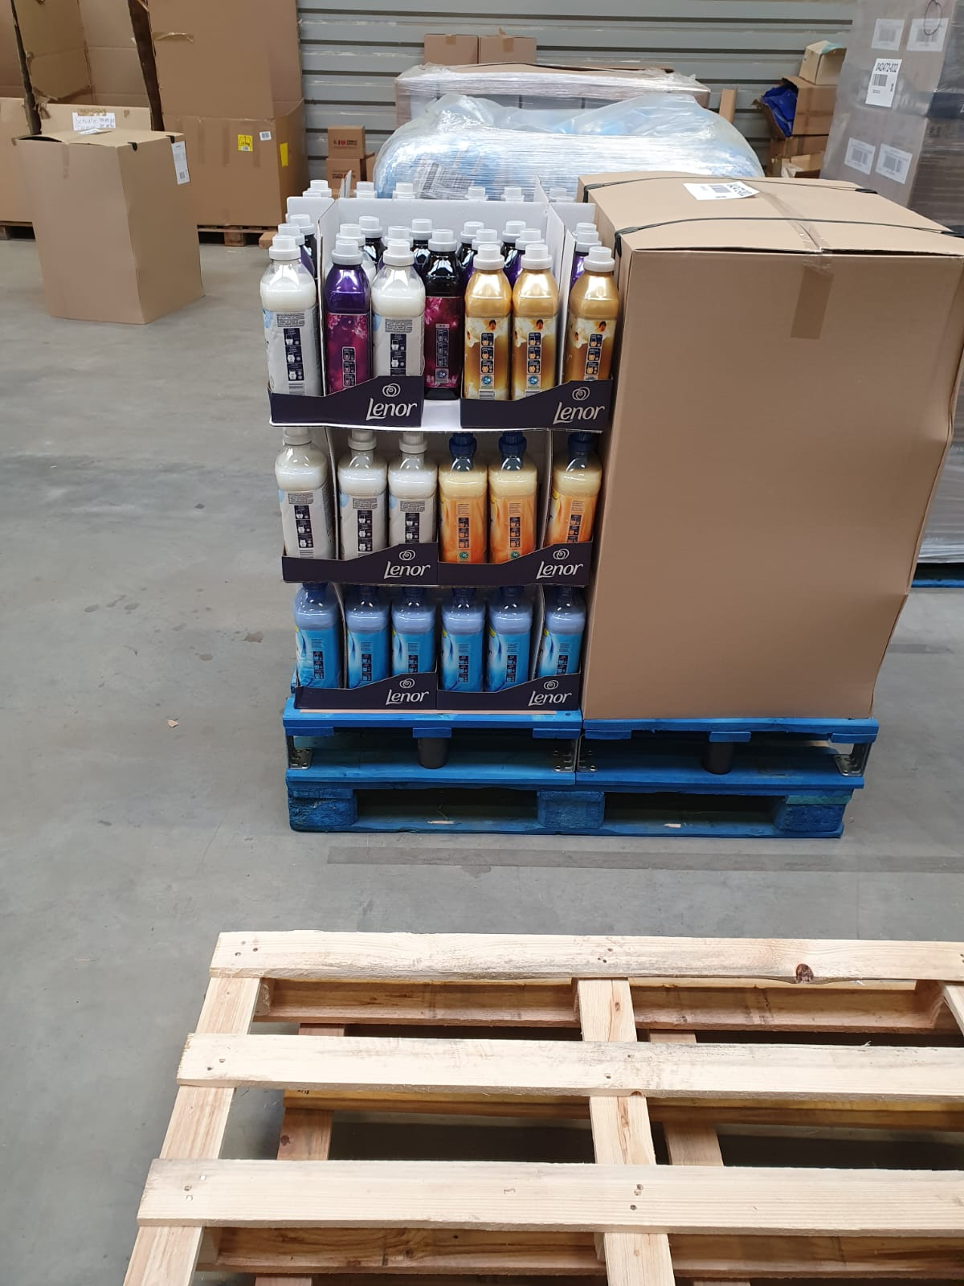
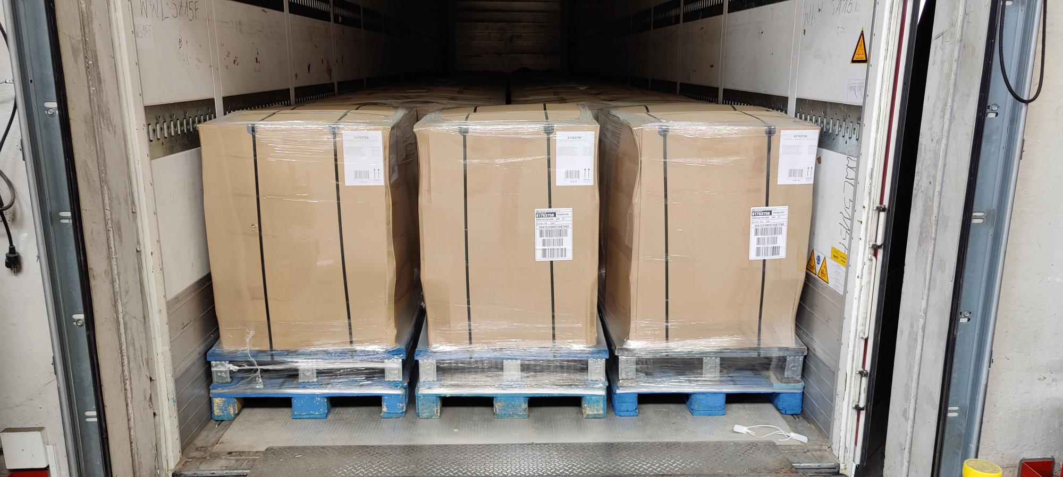
Itemname | EAN | Best before Date / MHD | Items per Display | Items per Pallet | Price per Item | Price Net per Pallet | RRP EU per Pallet
LENOR SUMMER BREEZE 1800ML | 8001841375526 | 2022-10-01 | 12 | 24 | 2.36 € | 56.74 € | 110.16 €
LENOR SPRING AWAKENING 1800ML | 8001841375489 | 2022-10-01 | 30 | 60 | 2.36 € | 141.84 € | 275.40 €
LENOR SENSITIVE 1800ML | 8001841375564 | 2022-10-01 | 12 | 24 | 2.36 € | 56.74 € | 110.16 €
LENOR GOLD ORCHID 1420ML | 8001841375885 | 2022-10-01 | 24 | 48 | 2.36 € | 113.47 € | 220.32 €
LENOR IVORY BOUQUET 1420ML | 8001841375724 | 2022-10-01 | 12 | 24 | 2.36 € | 56.74 € | 110.16 €
LENOR DIAMOND & LOTUS 1420ML | 8001841375687 | 2022-10-01 | 12 | 24 | 2.36 € | 56.74 € | 110.16 €
LENOR AMETHYST & FL B 1420ML | 8001841375922 | 2022-10-01 | 12 | 24 | 2.36 € | 56.74 € | 110.16 €

 |  |  |  |  | Per Pallet: | 539.00 €
 |  |  |  |  | Total 33 pallets: | 17,787.00 €

