P&G Load 19
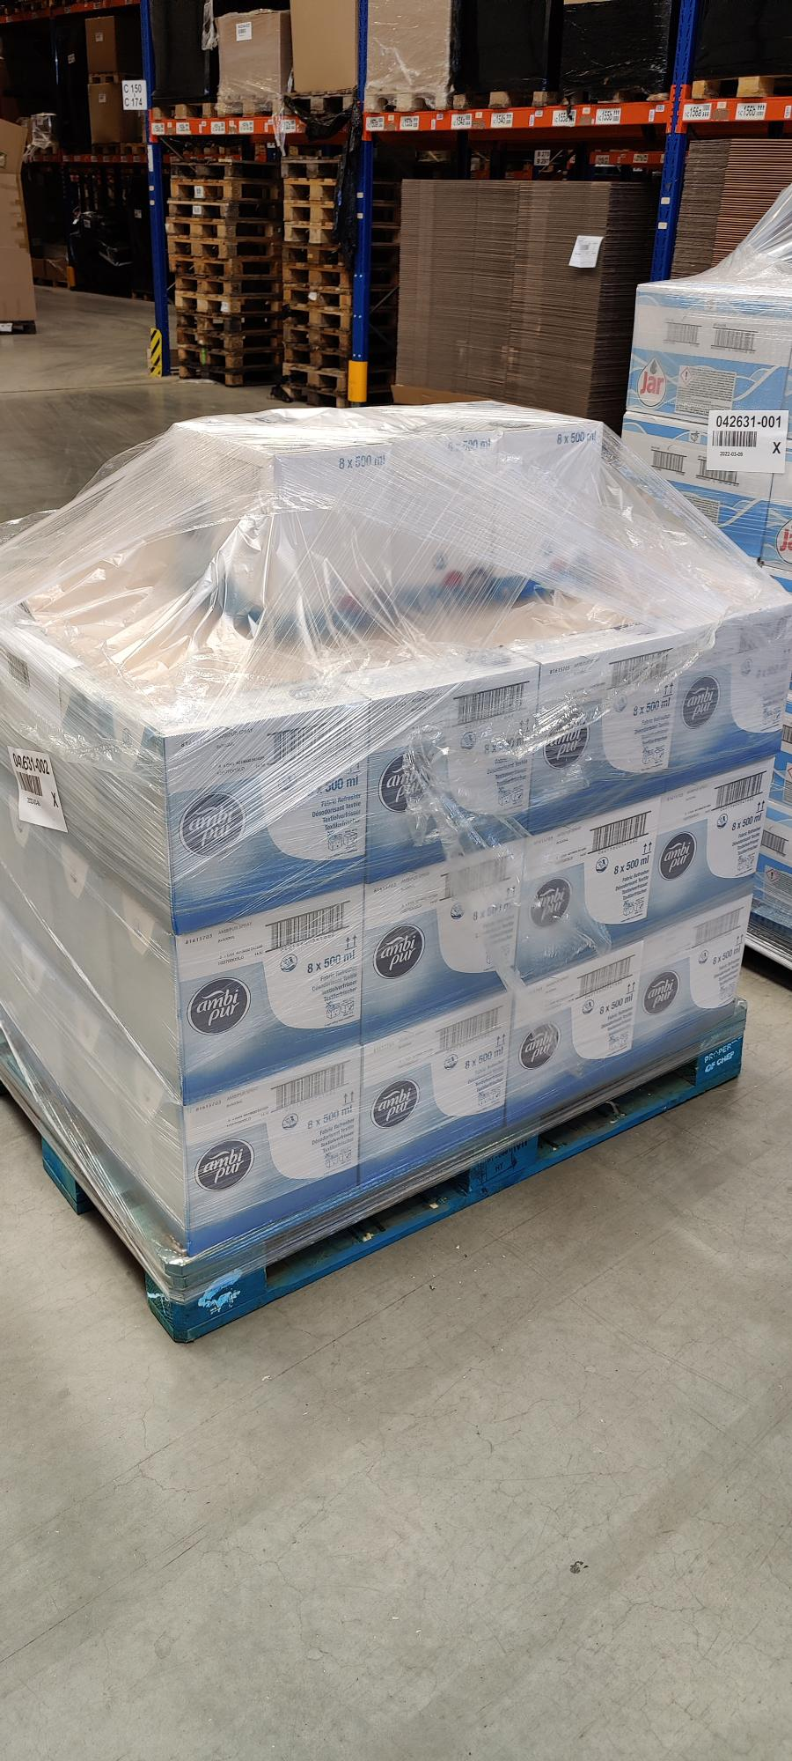
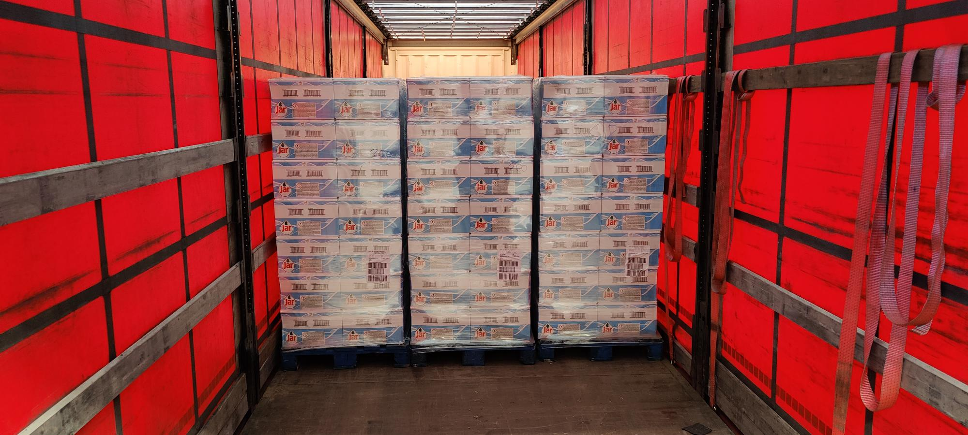
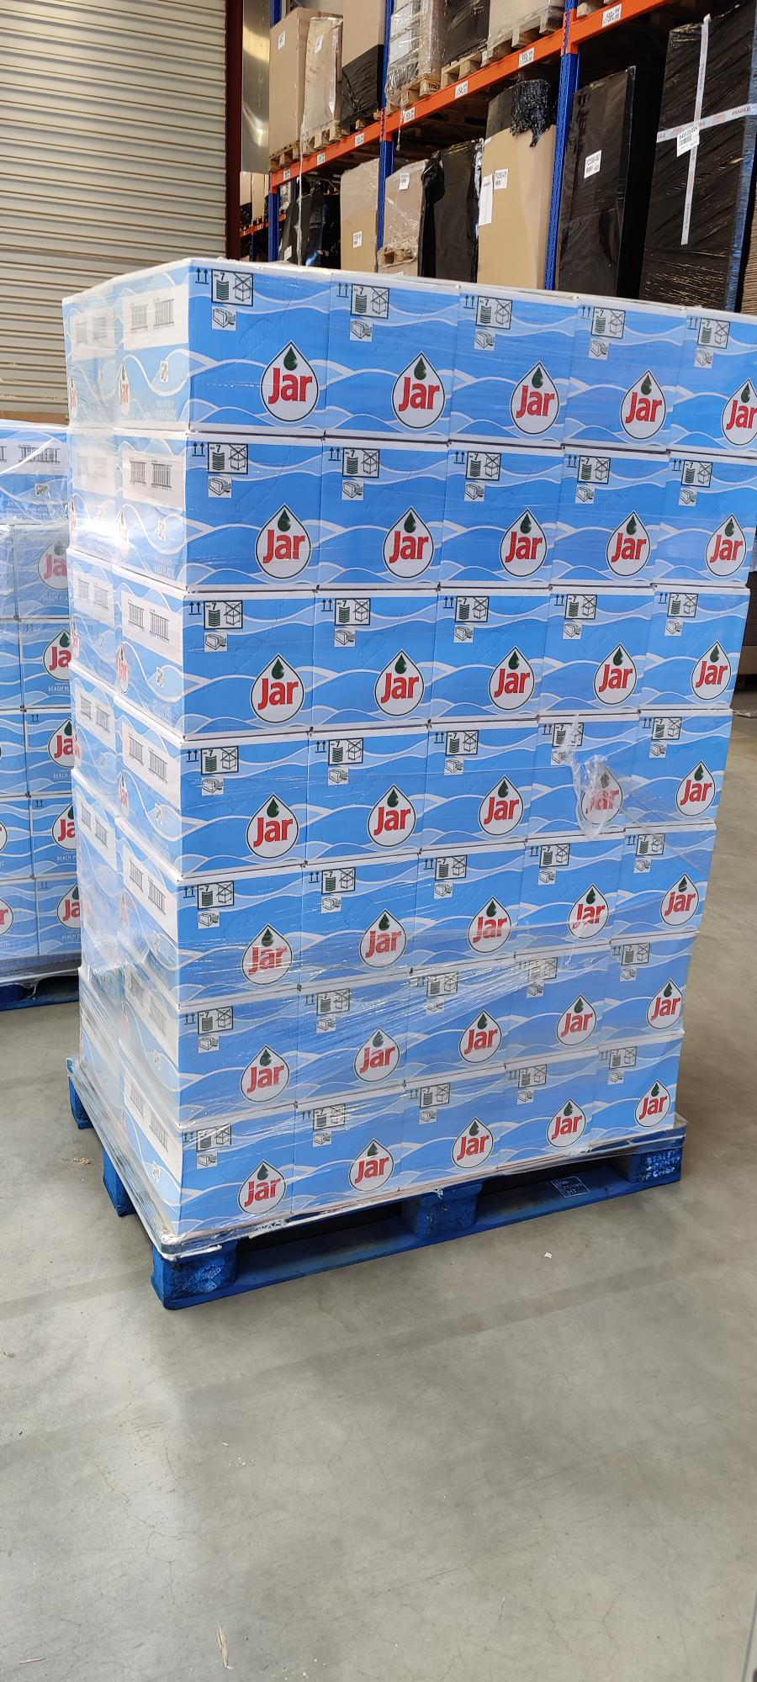
Pallet QTY | Itemname | EAN | Best before Date / MHD | Displays | Items per Display | Items Total | Price per Item | Price per Display | Price per Pallet | Price per Line | RRP per Line
1 | Ambi Pur Textilspray Thai Orchid - 8x1pc | 4015600541699 | 2022-08-07 | 51 | 8 | 408 | 0.65 € | 5.24 € | 267.03 € | 267.03 € | 1,230.17 €
25 | JAR Handwashing Beach Plastic - 16x500ml | 8006540291344 | 2023-06-12 | 1733 | 16 | 27728 | 0.61 € | 9.73 € | 674.35 € | 16,858.75 € | 61,234.61 €

 |  |  |  |  |  |  |  |  | Total: | 17,125.78 €

