P&G Load 21
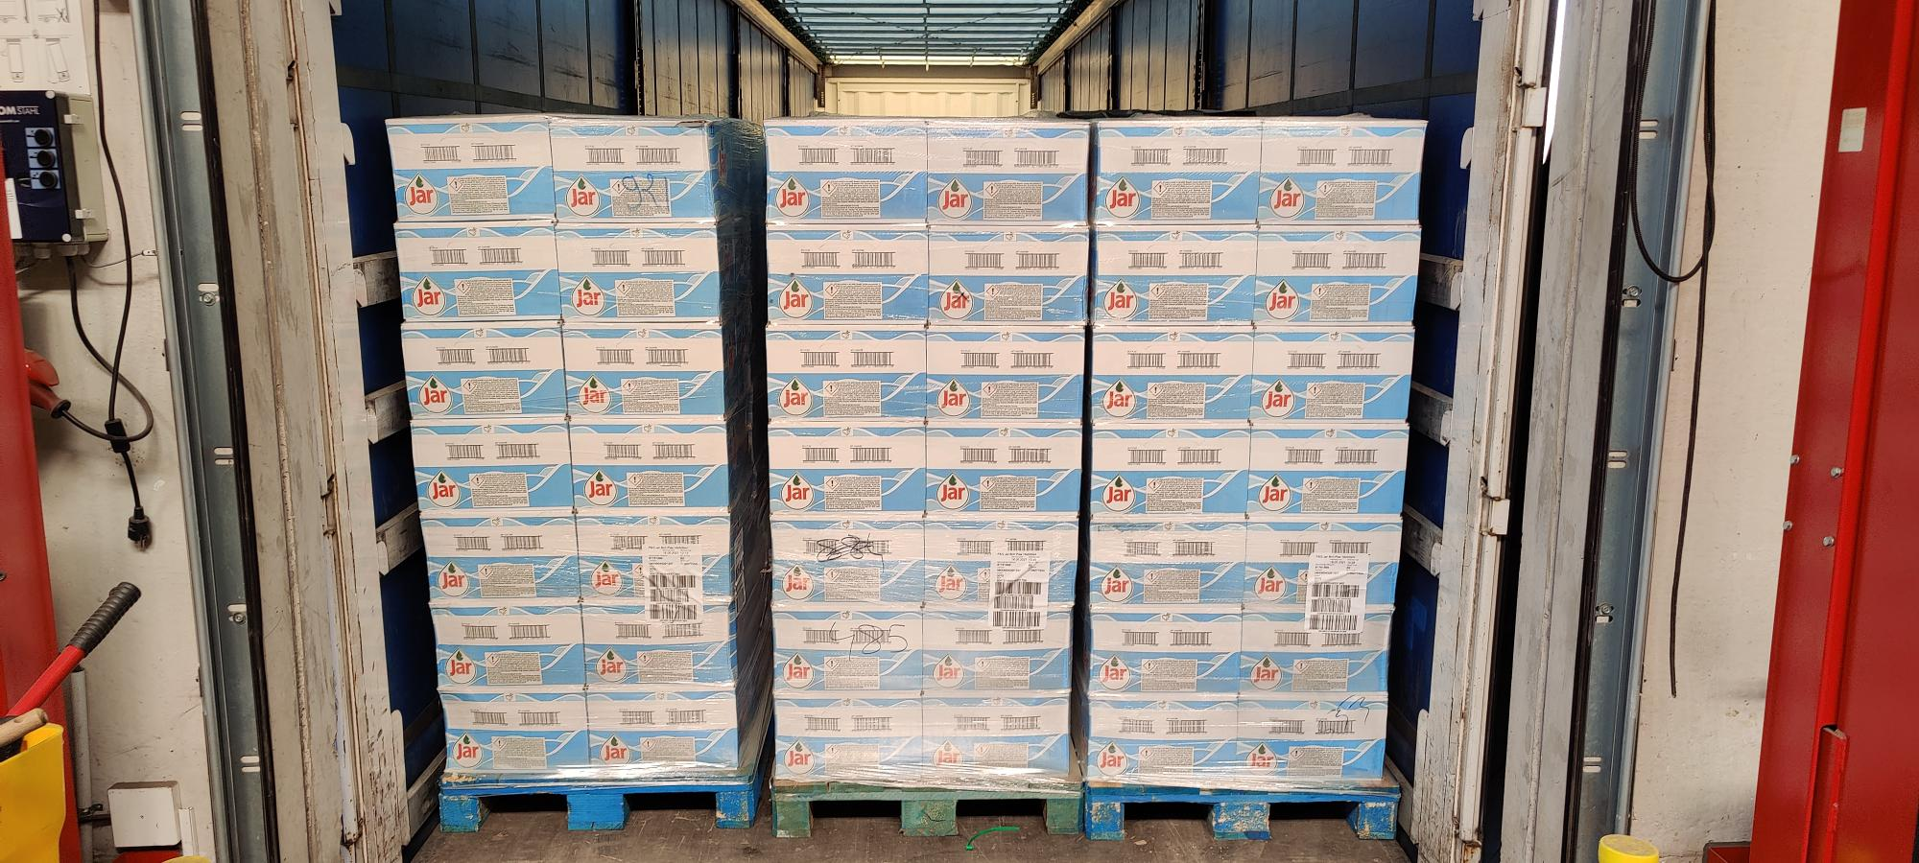
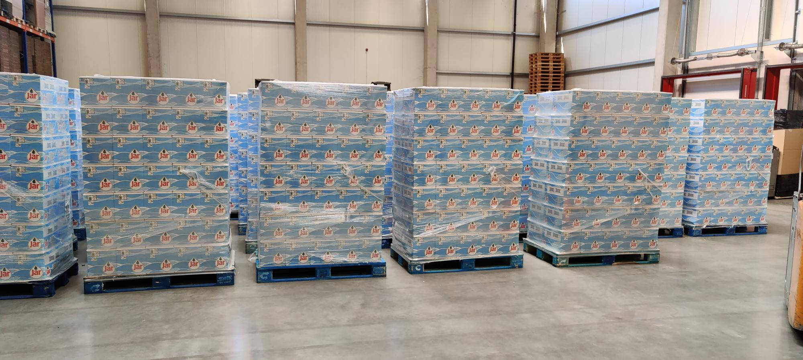
Pallets | Itemname | EAN | Best before Date / MHD | Displays | Items per Display | Items Total | Price per Item | Price per Display | Price per Pallet | Price per Line | RRP per Line
33 | JAR Handwashing Beach Plastic - 16x500ml | 8006540291344 | 2023-05-18 | 2310 | 16 | 36960 | 0.60 € | 9.53 € | 666.84 € | 22,005.65 € | 81,622.60 €

