P&G Mixed Load 18
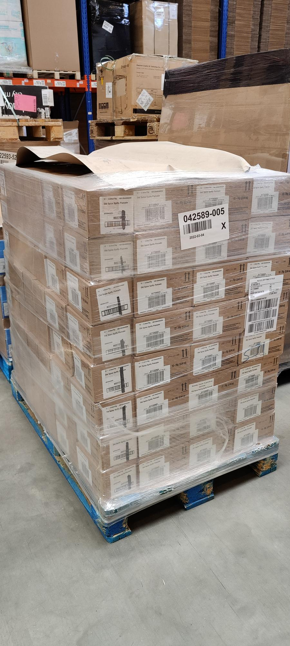
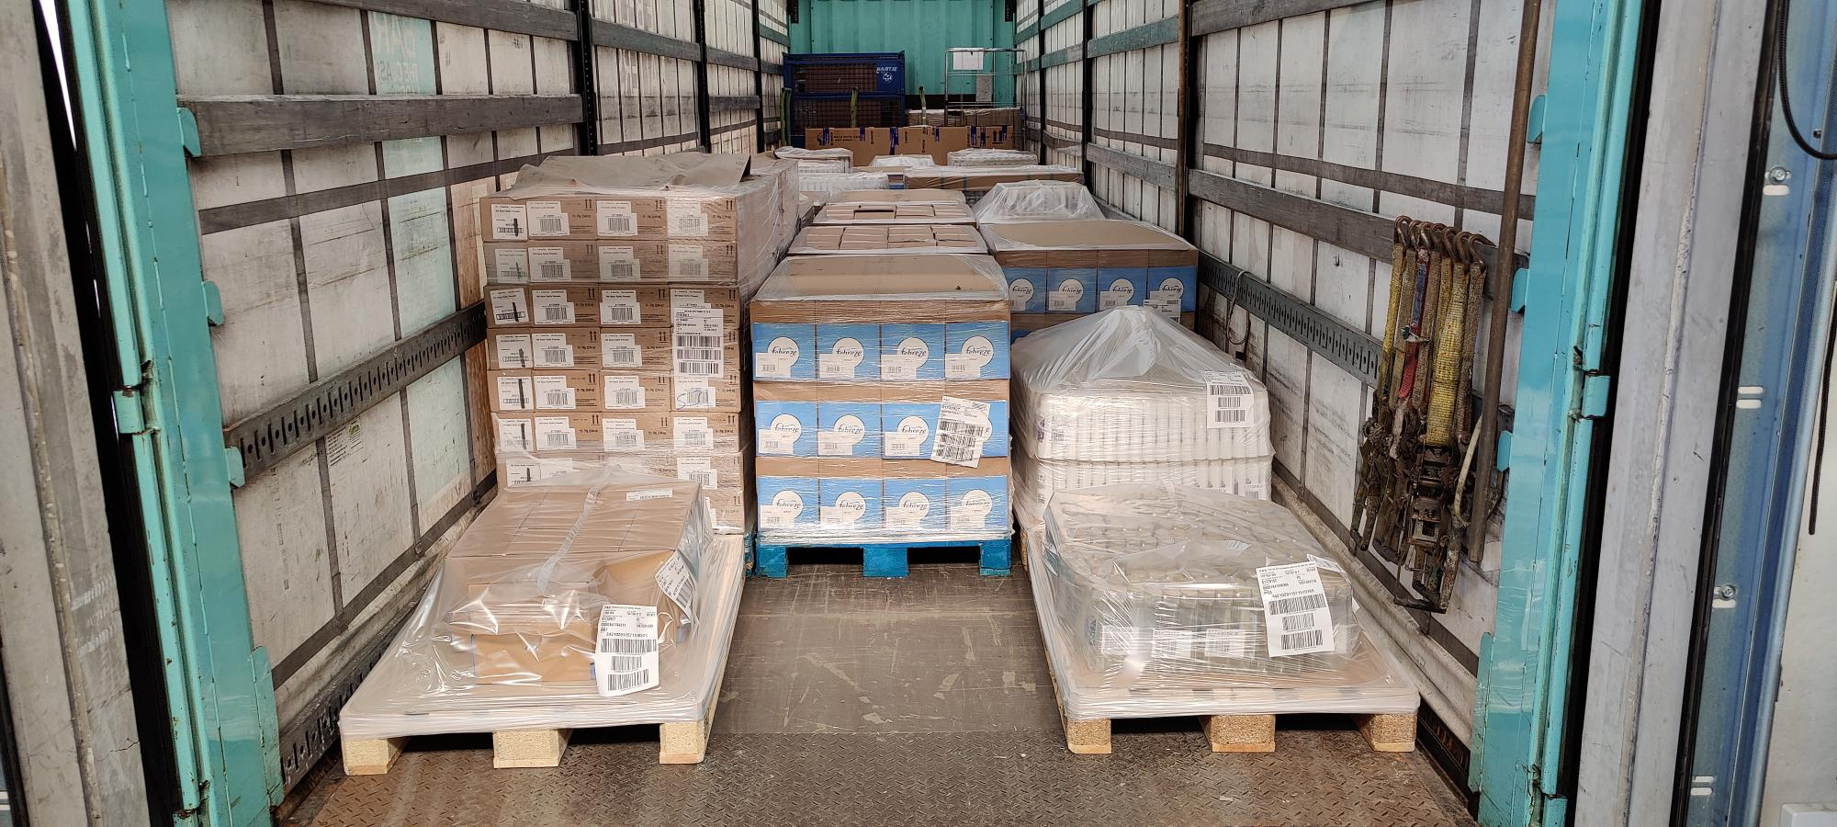
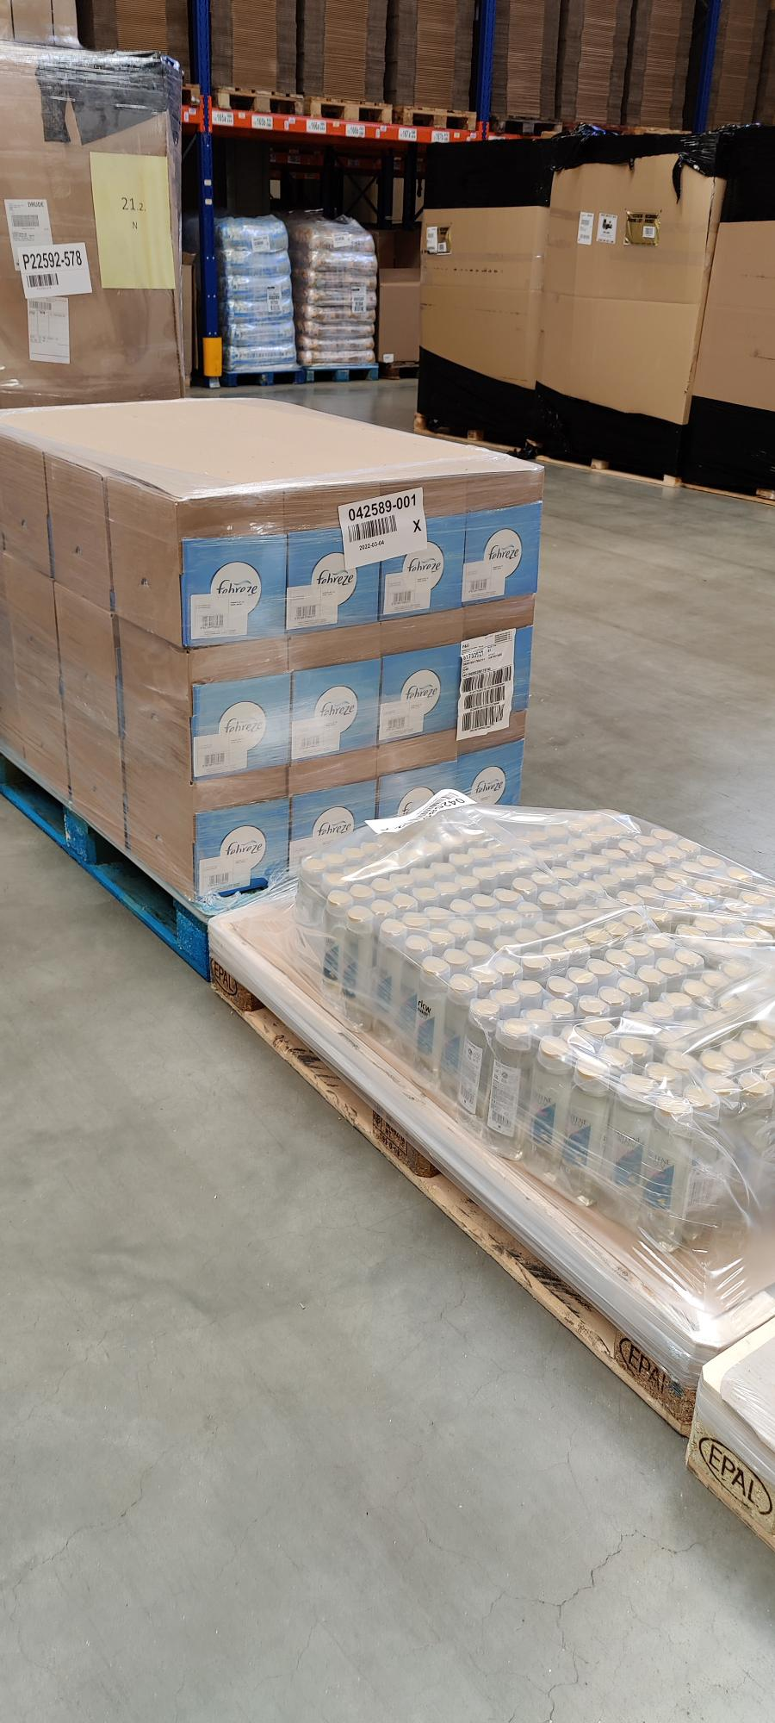
Itemname | Mixed Display Itemnames | EAN | Best before Date / MHD | Displays | Items per Display | Items Total | Price per Item | Price per Display | Price per Line | RRP per Line
PANTENE PRO-V Shampoo Vita Glow Volumen Pur - 6x300ml |  | 8001841212234 | 2024-08-08 | 549 | 6 | 3294 | 1.33 € | 8.00 € | 4,389.82 € | 9,799.00 €
PANTENE PRO-V Shampoo Vita Glow Repair & Care - 6x300ml |  | 8001841212265 | 2024-07-28 | 530 | 6 | 3180 | 1.33 € | 8.00 € | 4,237.89 € | 9,460.00 €
PANTENE PRO-V Shampoo Vita Glow 3in1 Volumen Pur - 6x300ml |  | 8001841212326 | 2023-06-05 | 300 | 6 | 1800 | 1.33 € | 8.00 € | 2,398.81 € | 5,355.00 €
Old Spice Spiffy Haar Pomade - 12x75g |  | 8001841647685 | 2022-09-17 | 448 | 12 | 5376 | 1.20 € | 14.44 € | 6,471.25 € | 24,883.00 €
PANTENE PRO-V Shampoo Clean & Balanced - 6x300ml |  | 8001841696898 | 2024-07-19 | 548 | 6 | 3288 | 1.33 € | 8.00 € | 4,381.82 € | 9,781.00 €
Febreze Small Mixed Display - 8x500ml |  |  | 2022-09-06 | 487 | 8 | 3896 | 0.65 € | 5.18 € | 2,522.20 € | 9,000.00 €
 | Febreze April Fresh Spray - 500ml | 8001090692788 |  |  | 4
 | Febreze Gold Orchid Spray - 500ml | 8001090692894 |  |  | 4

 |  |  |  |  |  |  |  | Total: | 24,401.79 €

